Bug Report 1
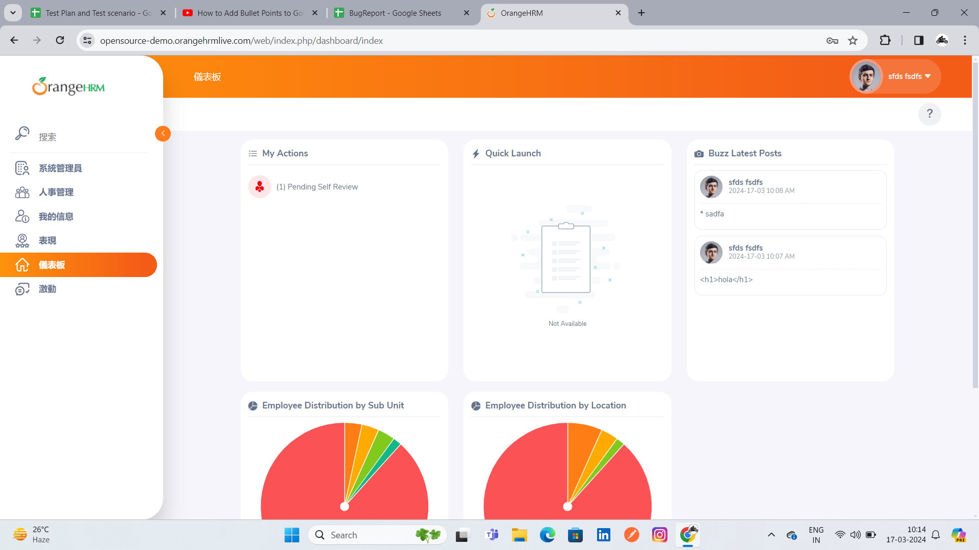
Category | Label | Value
Bug ID | Bug ID Number | #001
 | Reporter Name | kulbhushan Magdum
 | Assigned Developer
 | Submit Date | 2024-03-17
 | Due Date
Bug Overview | Summary | Afer login personal details are not shown
 | URL | https://opensource-demo.orangehrmlive.com/web/index.php/auth/login
 | Screenshot | Attached below
Environment | Platform | PC
 | Operating System | Windows 11 Pro
 | Browser | Chrome
Bug Details | Steps to Reproduce | 1.Enter the URL 2.Add valid user name and password
 | Expected Results | Personal detials are shown
 | Actual Results | Personal detials are not be shown
Bug Tracking | Severity | Medium
 | Priority | High
Notes

Bug Report 2
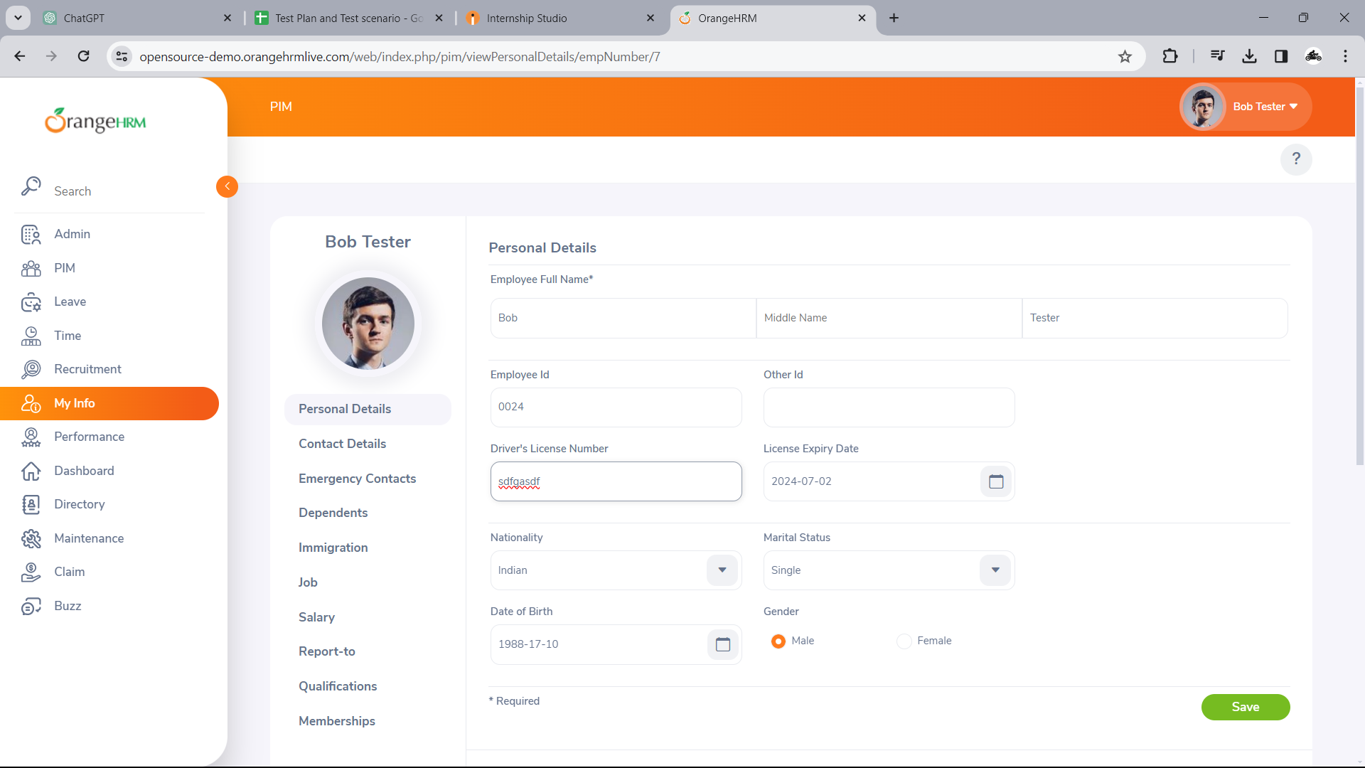
Category | Label | Value
Bug ID | Bug ID Number | #002
 | Reporter Name | kulbhushan Magdum
 | Assigned Developer
 | Submit Date | 2024-03-17
 | Due Date
Bug Overview | Summary | Restricted field are not able to fill
 | URL | https://opensource-demo.orangehrmlive.com/web/index.php/auth/login
 | Screenshot | Attached below
Environment | Platform | PC
 | Operating System | Windows 11 Pro
 | Browser | Chrome
Bug Details | Steps to Reproduce | 1.Enter the URL 2.Add valid username and password 3.Click on the personal details hyperlink 4.Try to fill the a.Employee ID b. SSN C. SIN d. Driver License e. Date of Birth
 | Expected Results | Restricted field are not able to fill
 | Actual Results | Restricted field is able to fill
Bug Tracking | Severity | High
 | Priority | High
Notes

